TECHNICAL SHEET GARMENT
 |  |  | TECHNICAL SHEET GARMENT | WINTER 2018/19
LFV11422 |  | WONDER WARM JKT |  | INDEX | V1 BULK
FABRIC / SUPPLIER: |  | MEN CHUEN / PTB-239-11B - CAROLTEX / 8093LDF3 |  | DEVELOPPER |  | Marjorie
DATE | 2018-01-19 |  |  | SUPPLIER : |  | PRIMA CHANNEL
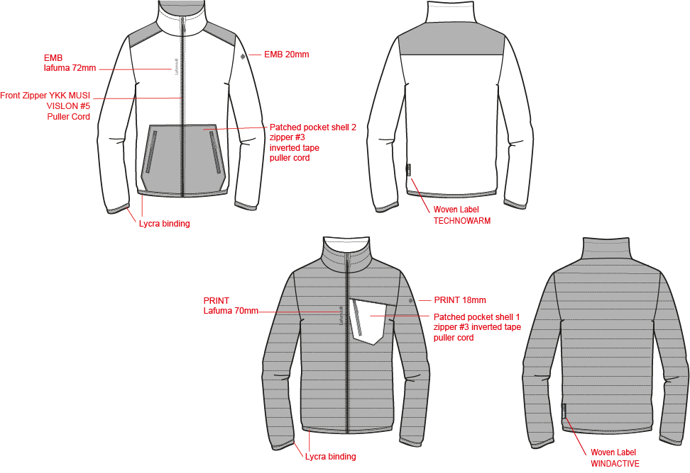

REVERSIBLE JKT

JKT COUNTER SAMPLE
 |  | COUNTER SAMPLE |  |  |  |  |  |  |  | WINTER 2018/19
LFV11422 |  |  | WONDER WARM JKT |  |  |  |  |  |  | INDEX | V1 BULK
FABRIC / SUPPLIER: |  | MEN CHUEN / PTB-239-11B - CAROLTEX / 8093LDF3 |  |  |  |  |  |  |  | DEVELOPPER |  | Marjorie
DATE | 2018-01-19 |  |  |  |  |  |  |  |  | SUPPLIER : |  | PRIMA CHANNEL

 | MEASUREMENTS TAKEN ON FINISH PRODUCT
NYLON FACE MEASUREMENTS IN CM |  |  |  | ALLOWANCES | Measures to follow for making 1st c/s SIZE M | 17/05/2017 1st proto measurement SIZE M | Measures to follow for making SMS SIZE M | Highlight measured the 10/10/2017 size M | Measures to follow for BULK size M
FRONT JACKET MEASUREMENTS (IN CM) |  |  |  |  |  |  | NYLON FACE | NYLON FACE | NYLON FACE
B | FRONT BREADTH AT 15CM FROM SHOULDER POINT NECKLINE |  |  | +/- 0,5 cm | 43 | 43 | 43 | 42 | 43
C | 1/2 CHEST ROUND |  |  | +/- 1 cm | 57 | 57 | 57 | 56 | 57
D | 1/2 WAIST ROUND AT 45 CM FROM SHOULDER POINT NECKLINE |  |  | +/- 1 cm | 55 | 55 | 55 | 53 | 55
IA | 1/2 BOTTOM ROUND RELAXED |  |  | +/- 1 cm | 50 | 49 | 49 | 50 | 49
IA' | 1/2 BOTTOM ROUND STRETCHED |  |  | +/- 1 cm | 55 | 56 | 55 | 53 | 55
JA | TOTAL LENGHT FROM SHOULDER POINT TO BOTTOM FRONT |  |  | +/- 1 cm | 71 | 69.5 | 71 | 71 | 71
KA | SHOULDER LENGHT |  |  | +/- 0,5 cm | 14 | 14 | 14 | 14 | 14
KD | ARMHOLE HEIGHT |  |  | +/- 0,5 cm |  |  |  | 24
LA | 1/2 UPPER ARM ROUND |  |  | +/- 0,5 cm | 24.5 | 24.5 | 24.5 | 23 | 24.5
LB | 1/2 ELBOW ROUND AT 30CM FROM BOTTOM |  |  | +/- 0,5 cm | 18 | 18 | 18.5 | 18 | 18.5
LC | 1/2 BOTTOM SLEEVE ROUND RELAXED |  |  | +/- 0,5 cm | 11 | 12 | 11.5 | 11.5 | 11.5
LC' | 1/2 BOTTOM SLEEVE ROUND EXTENDED |  |  | +/- 0,5 cm | 14 | 14.5 | 14.5 | 13.5 | 14.5
N | SLEEVE LENGHT INCLUDING CUFF |  |  | +/- 1 cm | 65 | 65 | 66.5 | 66 | 66.5
BACK JACKET MEASUREMENTS (IN CM)
R | BACK BREADTH AT 15CM FROM SHOULDER POINT NECKLINE |  |  | +/- 0,5 cm | 45 | 44 | 45 | 44.5 | 45
S | CENTER BACK LENGTH |  |  | +/- 1 cm | 71 | 69.5 | 71 | 70 | 71
COLLAR MEASUREMENTS (IN CM)
UA1 | NECK WIDTH |  |  | +/- 1 cm | 19 | 22 | 19 | 20 | 20
UA2 | FRONT NECK DEPTH |  |  | +/- 1 cm | 8 | 7 | 8 | 8 | 8
UB1 | NECKLINE LENGHT |  |  | +/- 1 cm | 49 | 48 | 49 | 49.5 | 49
UB2 | COLLAR LENGHT AT THE TOP EDGE |  |  | +/- 1 cm | 48 | 47 | 47 | 47.5 | 47
UC1 | COLLAR HEIGHT AT MIDDLE BACK |  |  | +/- 0,5 cm | 7 | 6.6 | 8 | 7.5 | 8
UC3 | COLLAR HEIGHT AT MIDDLE FRONT |  |  | +/- 0,5 cm | 7 | 7 | 8 | 8 | 8
ZIPPERS (IN CM)
Z1 | MIDDLE FRONT ZIPPER LENGHT |  |  | +/- 1 cm | 70 | 69 | 70 | 70 | 70
Z2 | CHEST POCKET ZIPPER LENGHT |  |  | +/- 0,5 cm | 17 | 15 | 15 | 15 | 15

FLEECE FACE MEASUREMENTS IN CM |  |  |  | ALLOWANCES | Measures to follow for making 1st c/s SIZE M | 17/05/2017 1st proto measurement SIZE M | Measures to follow for making SMS SIZE M | Highlight measured the 10/10/2017 size M | Measures to follow for BULK SIZE M
FRONT JACKET MEASUREMENTS (IN CM) |  |  |  |  |  |  | FLEECE FACE | FLEECE FACE | FLEECE FACE
B | FRONT BREADTH AT 15CM FROM SHOULDER POINT NECKLINE |  |  | +/- 0,5 cm | 43 | 43 | 42 | 43 | 42
C | 1/2 CHEST ROUND |  |  | +/- 1 cm | 57 | 57 | 56 | 57 | 56
D | 1/2 WAIST ROUND AT 45 CM FROM SHOULDER POINT NECKLINE |  |  | +/- 1 cm | 55 | 55 | 54 | 54 | 54
IA | 1/2 BOTTOM ROUND RELAXED |  |  | +/- 1 cm | 50 | 49 | 49 | 50 | 49
IA' | 1/2 BOTTOM ROUND STRETCHED |  |  | +/- 1 cm | 55 | 56 | 55 | 54 | 55
JA | TOTAL LENGHT FROM SHOULDER POINT TO BOTTOM FRONT |  |  | +/- 1 cm | 71 | 69.5 | 69.5 | 69.5 | 69.5
KA | SHOULDER LENGHT |  |  | +/- 0,5 cm | 14 | 14 | 14 | 14 | 14
LA | 1/2 UPPER ARM ROUND |  |  | +/- 0,5 cm | 24.5 | 24.5 | 24.5 | 24.5 | 24.5
LB | 1/2 ELBOW ROUND AT 30CM FROM BOTTOM |  |  | +/- 0,5 cm | 18 | 18 | 18 | 19 | 18
LC | 1/2 BOTTOM SLEEVE ROUND RELAXED |  |  | +/- 0,5 cm | 11 | 12 | 11 | 11 | 11
LC' | 1/2 BOTTOM SLEEVE ROUND EXTENDED |  |  | +/- 0,5 cm | 14 | 14.5 | 14 | 14 | 14
N | SLEEVE LENGHT INCLUDING CUFF |  |  | +/- 1 cm | 65 | 65 | 65 | 65 | 65
BACK JACKET MEASUREMENTS (IN CM)
R | BACK BREADTH AT 15CM FROM SHOULDER POINT NECKLINE |  |  | +/- 0,5 cm | 45 | 44 | 44 | 44 | 44
S | CENTER BACK LENGTH |  |  | +/- 1 cm | 71 | 69.5 | 69.5 | 70.5 | 69.5
COLLAR MEASUREMENTS (IN CM)
UA1 | NECK WIDTH |  |  | +/- 1 cm | 19 | 22 | 20 | 19 | 20
UA2 | FRONT NECK DEPTH |  |  | +/- 1 cm | 8 | 7 | 8 | 9 | 8
UB1 | NECKLINE LENGHT |  |  | +/- 1 cm | 49 | 48 | 49 | 49 | 49
UB2 | COLLAR LENGHT AT THE TOP EDGE |  |  | +/- 1 cm | 48 | 47 | 47 | 47 | 47
UC1 | COLLAR HEIGHT AT MIDDLE BACK |  |  | +/- 0,5 cm | 7 | 6.6 | 7.5 | 8 | 7.5
UC3 | COLLAR HEIGHT AT MIDDLE FRONT |  |  | +/- 0,5 cm | 7 | 7 | 7.5 | 8 | 7.5
ZIPPERS (IN CM)
Z1 | MIDDLE FRONT ZIPPER LENGHT |  |  | +/- 1 cm | 70 | 69 | 70 | 70 | 70
Z2 | HAND POCKET ZIPPER LENGHT |  |  | +/- 0,5 cm | 17 | 17 | 17 | 17 | 17

Comments for making 1st sample on 06/04/2017
Same style as LFV11321
Remove hood - make collar 7cm height
Add padding quilted with CAROLTEX fabrics

COMMENT on 1st sample the 17/05/17
NYLON FACE & FLEECE FACE must have different patern due to stretch fabric (FLEECE) and quilting on NYLON, refer to 2 chart above.
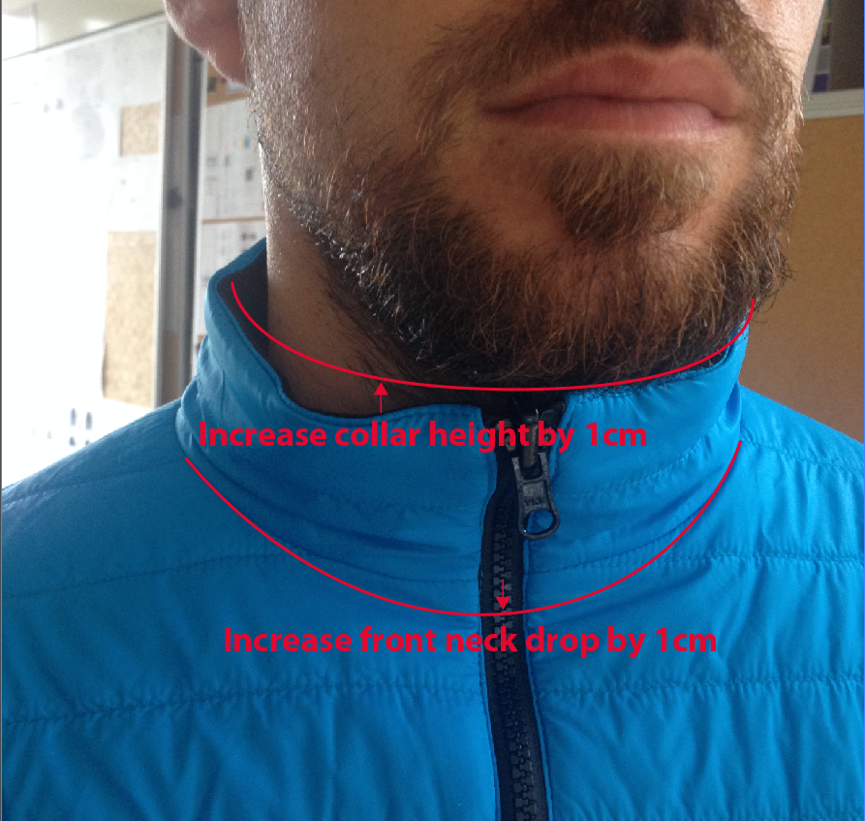
NYLON FACE is shorter than FLEECE FACE due to quilting
Increase lenght of NYLON FACE ONLY
* increase total lenght JA by 1,5cm (nylon face only)
* increase sleeve lenght N by 1,5cm (nylon face only)
* increase 1/2 elbow width by 0,5cm (nylon face only)
* Increase collar height by 1cm

FLEECE FACE is too long due to stretch fabric
Reduce width of FLEECE FACE ONLY
* Reduce front breadth by 1cm (fleece face only)
* Reduce 1/2 chest, waist and bottom round by 1cm (fleece face only)
* Increase collar height by 0,5cm

BOTH FACE
Increase front neck drop by 1cm
Collar edge should be flat and straight

Apply modification for SMS

Comments on Highlight the 10/10/2017
Fleece face must be 1cm tighter than Nylon face in 1/2 width

Comments on SMS the 21/12/2017
HANG TAG
All Hang tag must be small corporate HT-394082-E, windactive HT-396073-E & technowarm fleece HT-394159-E

COLORS
On style ECLIPSE BLUE, embroideries colors must be #9244 eclipse blue i/o #9135 azur blue
On style BLACK, embroideries colors must be #E414 i/o #40031

MEASURES
NYLON FACE must be bigger than FLEECE FACE, refer to measures and improve

QUALITY
On CARBONE GREY colors, woven label, size label and care label are visible from outside due to clear fabric, please make it not visible by patching a nylon pocket on top (inside pocket)

OK BULK following comments

DETAILS OUTER JKT 1
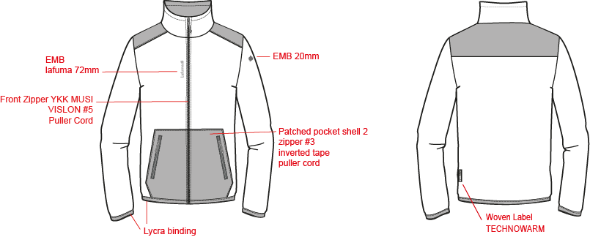
 |  | FLEECE FACE DETAILS |  | WINTER 2018/19
LFV11422 |  |  | WONDER WARM JKT | INDEX | V1 BULK
FABRIC / SUPPLIER: |  | MEN CHUEN / PTB-239-11B - CAROLTEX / 8093LDF3 |  | DEVELOPPER |  | Marjorie
DATE | 2018-01-19 |  |  | SUPPLIER : |  | PRIMA CHANNEL

DETAILS LINING JKT 1
 |  | POLY FACE DETAILS |  | WINTER 2018/19
LFV11422 |  |  | WONDER WARM JKT | INDEX | V1 BULK
FABRIC / SUPPLIER: |  | MEN CHUEN / PTB-239-11B - CAROLTEX / 8093LDF3 |  | DEVELOPPER |  | Marjorie
DATE | 2018-01-19 |  |  | SUPPLIER : |  | PRIMA CHANNEL

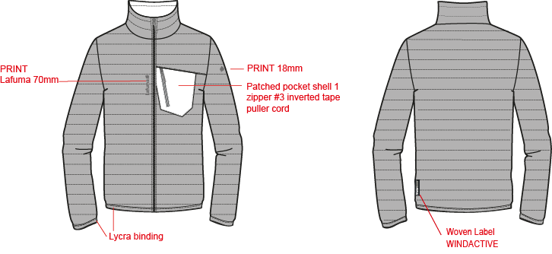
QUILTING 1,5 INCH - 3,81 CM

COLOR COMBINATION
 |  | COLOR COMBINATION |  |  |  |  |  |  |  | WINTER 2018/19
LFV11422 |  |  | WONDER WARM JKT |  |  |  |  |  |  | INDEX | V1 BULK
FABRIC / SUPPLIER: |  | MEN CHUEN / PTB-239-11B - CAROLTEX / 8093LDF3 |  |  |  |  |  |  |  | DEVELOPPER |  |  | Marjorie
DATE | 2018-01-19 |  |  |  |  |  |  |  |  | SUPPLIER : |  |  | PRIMA CHANNEL
FABRIC |  |  |  | SUPPLIER |  |  | CARBONE GREY 8280 | ECLIPSE BLUE 8598 | BLACK 0247
SHELL 1 / FLEECE PTB-239-11B |  |  |  | MEN CHUEN | FLEECE FACE |  | TARMAC | ECLIPSE BLUE | NOIR
SHELL 2 / NYLON 8093LDF3 |  |  |  | CAROLTEX | NYLON FACE |  | PIXEL MERCURY GREY | PIXEL ECLIPSE | PIXEL TARMAC
PADDING QUALITY PK80 |  |  |  | LOCAL | PADDING STITCHED ON POLY FACE |  | 80G | 80G | 80G
NON WOVEN |  |  |  | LOCAL | EMBROIDERIES BACKSIDE |  | WHITE | WHITE | WHITE
TRIMMING AND ACCESSORIES
 | DESCRIPTION |  | REF | SUPPLIER | DESIGNATION | QTY | CARBONE GREY 8280 | ECLIPSE BLUE 8598 | BLACK 0247 | XS | S | M | L | XL | XXL
Zipper VISLON #5 (right insert) 1 way-separable-autolock - REVERSIBLE - DU puller VSOR-58 DU4 E P14 KENSIN MUSI N-ANTI NEWKOB4 |  |  |  | YKK | Front zip | 1 | GREY/ECLIPSE BLUE TAPE : 243 TEETH : 960 | ECLIPSE BLUE 960 | BLACK 580
Zipper Coil Inverted #3 1WAY - NON separable - non lock - short puller SN32MAX |  |  |  | MAX zipper | 2x Pocket zipper FLEECE FACE | 2 | ECLIPSE BLUE 960 | ECLIPSE BLUE 960 | BLACK 580
Zipper Coil Inverted #3 1WAY - NON separable - non lock - short puller SN32MAX |  |  |  | MAX zipper | 1x Pocket zipper NYLON FACE | 1 | ECLIPSE BLUE 960 | ECLIPSE BLUE 960 | BLACK 580
ZIPPER CORD 2 TONE 1,7mm |  |  | ZP070-E | UNITEX | 1x Front zipper 2x Pocket zipper FLEECE FACE | 3 | NAVY | NAVY | CARBONE GREY
ZIPPER CORD 2 TONE 1,7mm |  |  | ZP070-E | UNITEX | 1x Pocket zipper NYLON FACE | 1 | NAVY | NAVY | CARBONE GREY
LYCRA BINDING 20mm Total width |  |  | EB011-E | WILSON GROUP | Bottom sleeve Front Hood | 3 | SAPHIR | SAPHIR | BLACK
MARKING
EMBROIDERY LAFUMA 72x13mm |  |  |  | LOCAL / MING SHYANG | Right top front FLEECE FACE | 1 | ECLIPSE BLUE 9044 | ECLIPSE BLUE 9244 | GREY E414
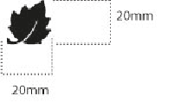 EMBROIDERY LEAF 20mm |  |  |  | LOCAL / MING SHYANG | Left top sleeve FLEECE FACE | 1 | ECLIPSE BLUE 9044 | ECLIPSE BLUE 9244 | GREY E414
HEAT TRANSFERT LAFUMA 70 MM |  |  | PT400 | J-LONG | Right top front NYLON FACE | 1 | INSIGNA BLUE | INSIGNA BLUE | CARBONE GREY
HEAT TRANSFERT LEAF 18 MM |  |  | PT401 | J-LONG | Left top sleeve NYLON FACE | 1 | INSIGNA BLUE | INSIGNA BLUE | CARBONE GREY
LABELS
WOVEN LABEL WINDACTIVE |  |  | LW051-E | TRIPLE STAR | NYLON FACE Inside left back 7cm from bottom | 1 | BLACK
WOVEN LABEL TECHNOWARM |  |  | LW052-E | TRIPLE STAR | FLEECE FACE Outside left back 7cm from bottom | 1 | BLACK
 WOVEN LABELS LAFUMA |  |  | LW033-E | SML | Inside left pocket / FLEECE FACE | 1 | ORANGE
SIZE WOVEN LABEL MMG MEN ALPHA/TOP |  |  | LWS18-01 | SML | Inside left pocket / FLEECE FACE | 1 | STANDARD
Care Label & P.O. Label |  |  | LC011-E | SML | Inside left pocket / FLEECE FACE | 1 | WHITE satin
HANG TAG
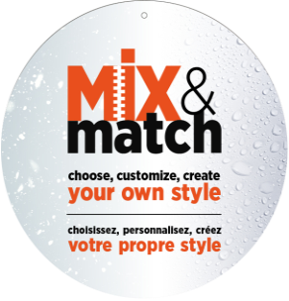 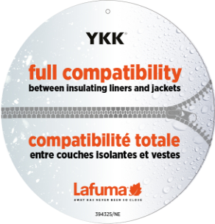 HANG TAG MIX & MATCH |  |  | HT394325/NE | TRIPLE STAR | Front zipper | 1 | STANDARD
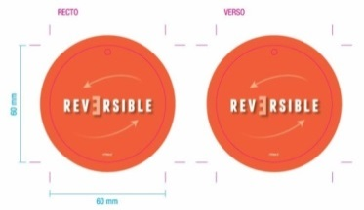 HANG TAG REVERSIBLE |  |  | HT094-E | TRIPLE STAR | Front zipper | 1 | STANDARD
 HANGTAG LAFUMA CORPORATE |  |  | SMALL HT394082-E | TRIPLE STAR | Pocket zipper OUTSIDE JKT NYLON FACE | 1 | STANDARD
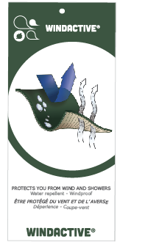 HANG TAG WINDACTIVE |  |  | SMALL HT-396073-E | TRIPLE STAR | insert on corporate HT | 1 | STANDARD
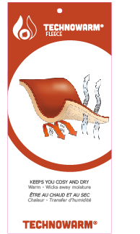 HANG TAG TECHNOWARM FLEECE |  |  | SMALL HT394159-E | TRIPLE STAR | insert on corporate HT | 1 | STANDARD
 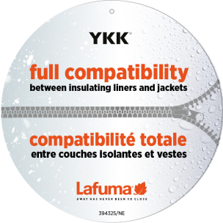 HANG TAG PFC FREE |  |  | SMALL HT394145-E | TRIPLE STAR |  | 1 | STANDARD
 GENCODE STICKER |  |  |  | LOCAL |  | 2
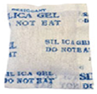 SILICA GEL DMF U FREE 5gr |  |  |  | LOCAL |  | 1
 POLYBAG |  |  |  | LOCAL |  | 1
 |  |  |  | LOCAL |  | 1

JACKET SKETCH MEASUREMENTS
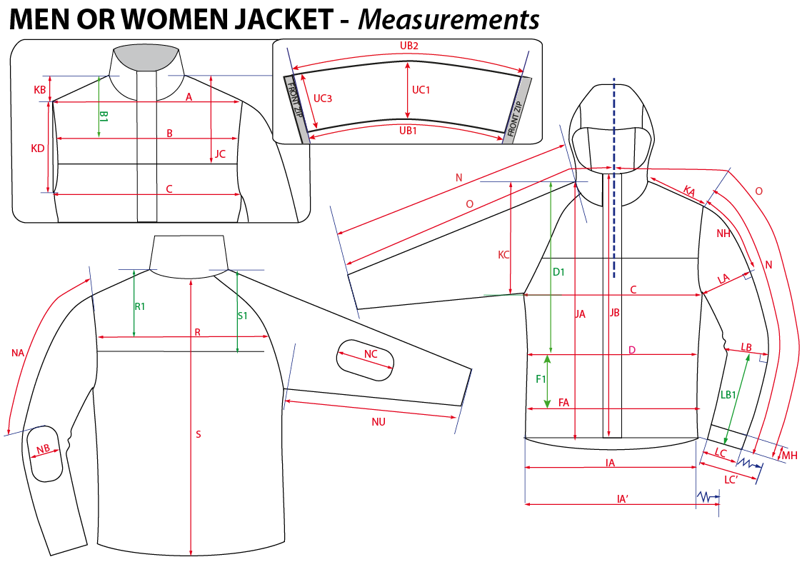
 |  | HOW TO TAKE MEASUREMENTS | WINTER 2018/19
LFV11422 |  | WONDER WARM JKT |  | INDEX | V1 BULK
FABRIC / SUPPLIER: |  | MEN CHUEN / PTB-239-11B - CAROLTEX / 8093LDF3 | DEVELOPPER |  | Marjorie
DATE | 2018-01-19 |  | SUPPLIER : |  | PRIMA CHANNEL

HANG TAGS
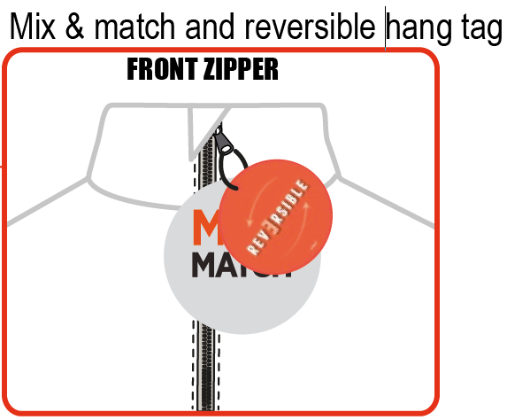
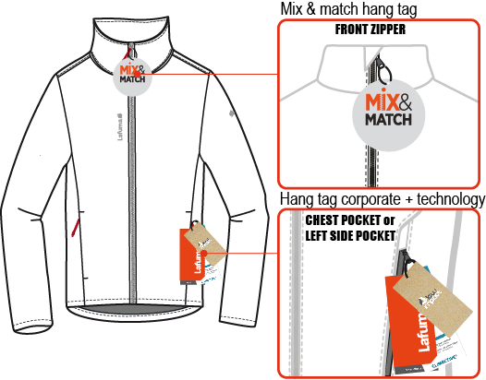
 |  | HOW TO ATTACH HANG TAGS | WINTER 2018/19
LFV11422 |  | WONDER WARM JKT |  | INDEX | V1 BULK
FABRIC / SUPPLIER: |  | MEN CHUEN / PTB-239-11B - CAROLTEX / 8093LDF3 | DEVELOPPER |  | Marjorie
DATE | 2018-01-19 |  | SUPPLIER : |  | PRIMA CHANNEL

